Symbols
S.N | Symbol | Party | Image
1 | Air Conditioner |  | 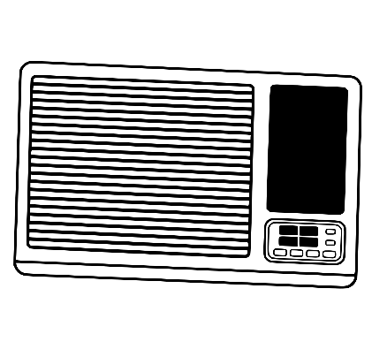
2 | Almirah |  | 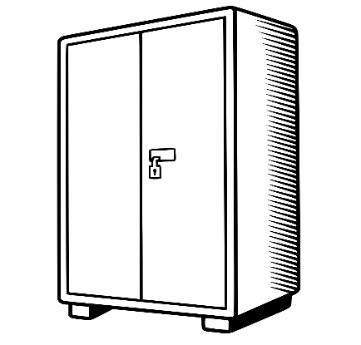
3 | Auto Rikshaw | KEC | 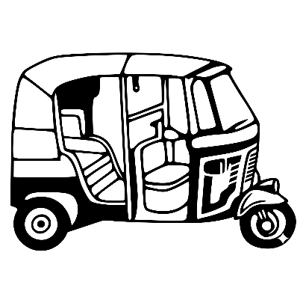
4 | Baby Walker | BJP | 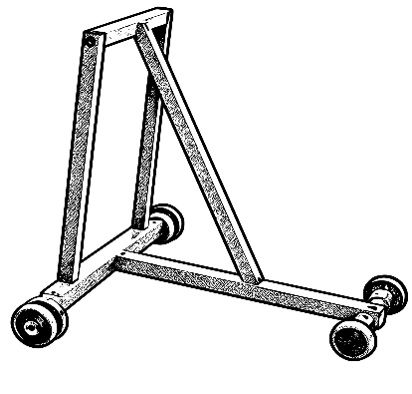
5 | Balloon |  | 
6 | Bangles |  | 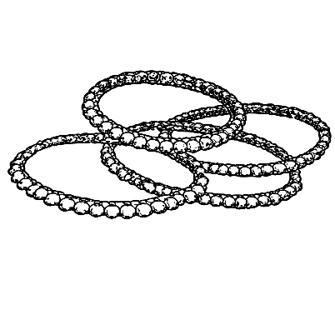
7 | Bat |  | 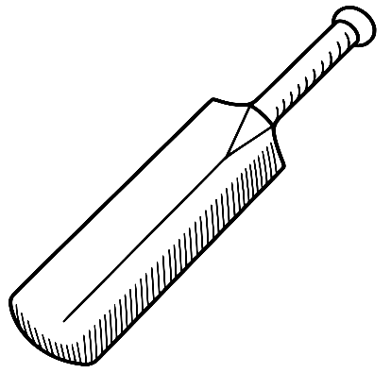
8 | Batsman |  | 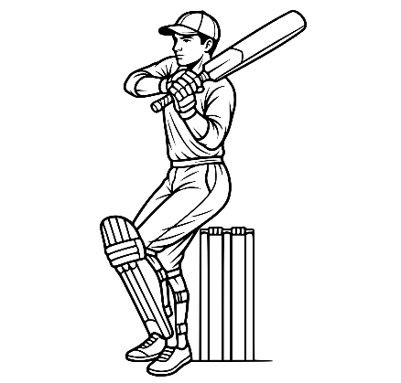
9 | Battery Torch |  | 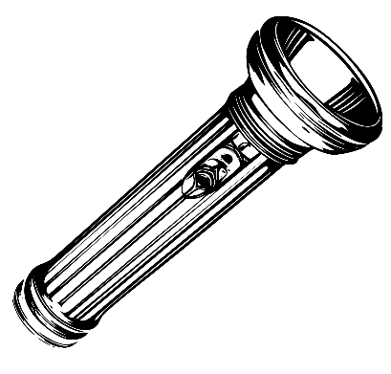
10 | Bead Necklace |  | 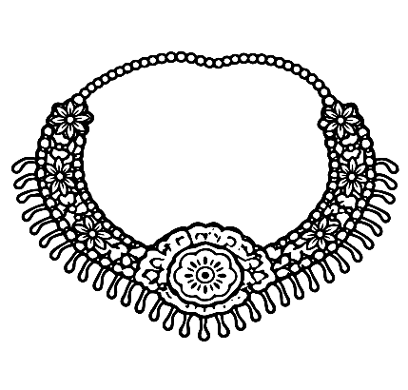
11 | Belt |  | 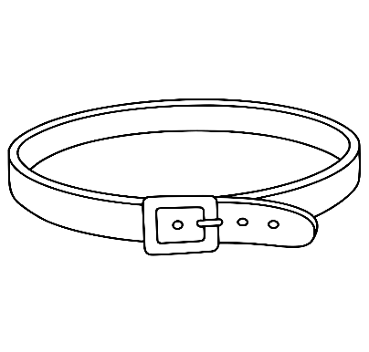
12 | Bench |  | 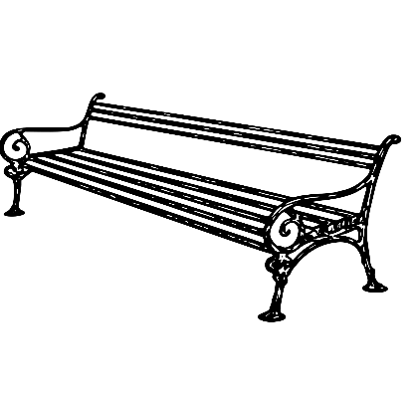
13 | Bicycle Pump |  | 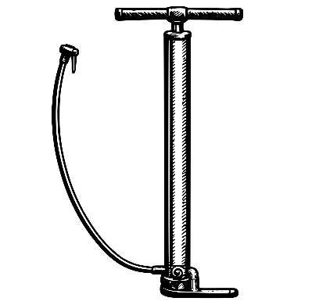
14 | Binoculars |  | 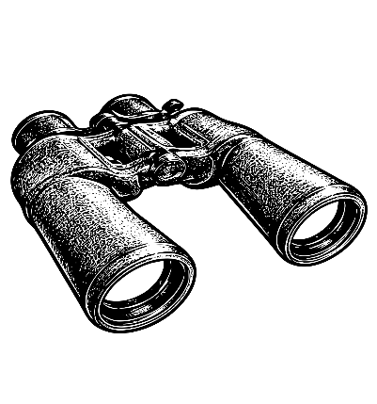
15 | Black Board | CPIML Red Star | 
16 | Boat with man and Sail |  | 
17 | Broom |  | 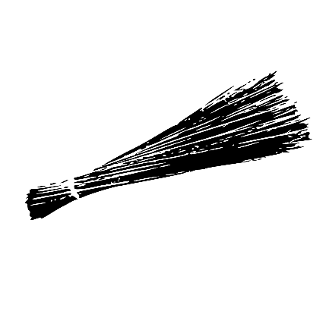
18 | Brush |  | 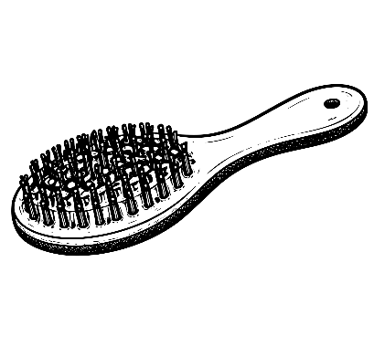
19 | Bucket |  | 
20 | Calculator |  | 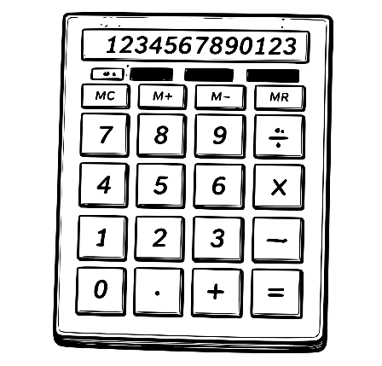
21 | Camera |  | 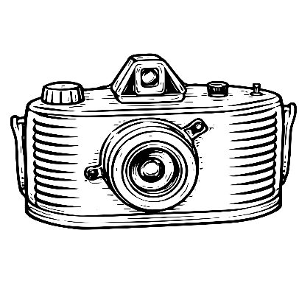
22 | Capsicum |  | 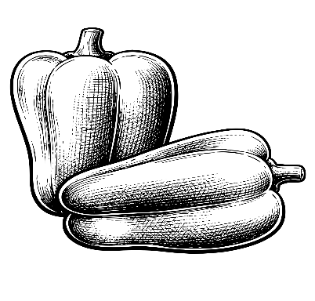
23 | Cauli Flower |  | 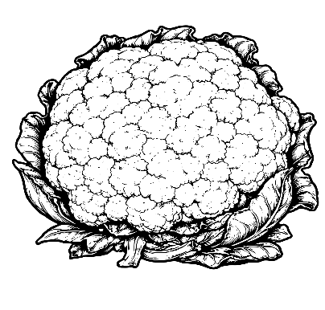
24 | CCTV Camera |  | 
25 | Chain |  | 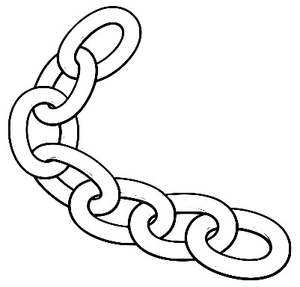
26 | Chappals |  | 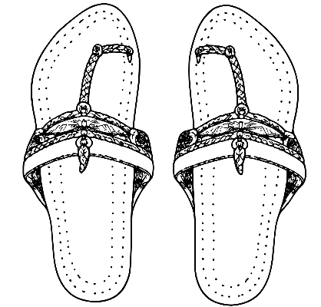
27 | Clock | NCP | 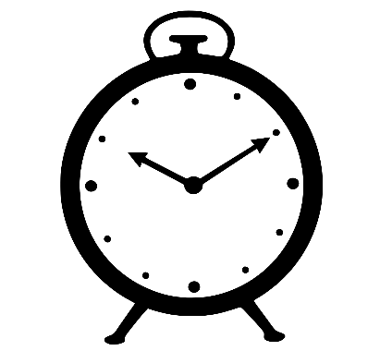
28 | Coat |  | 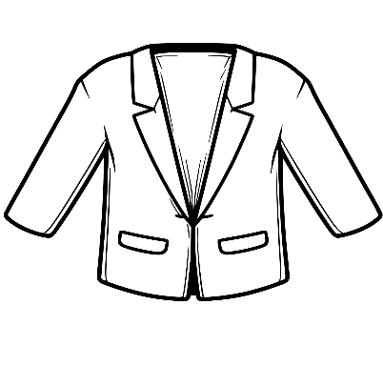
29 | Coconut Farm |  | 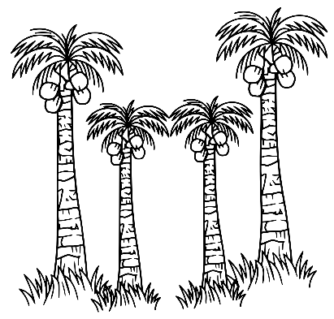
30 | Colour Tray and Brush |  | 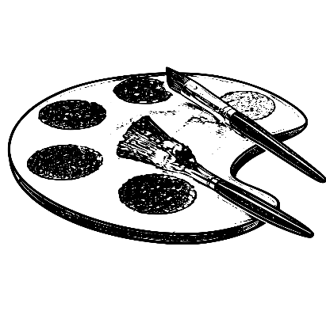
31 | Computer |  | 
32 | Cutting plier |  | 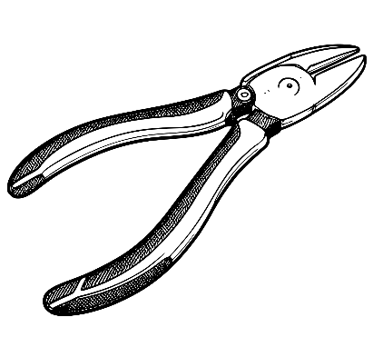
33 | Diamond |  | 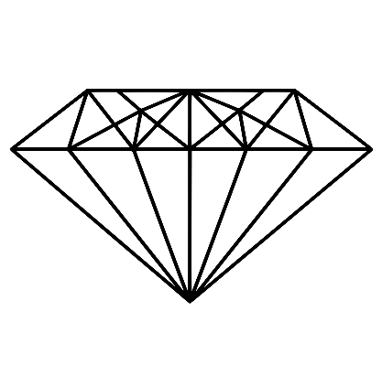
34 | Dish Antenna |  | 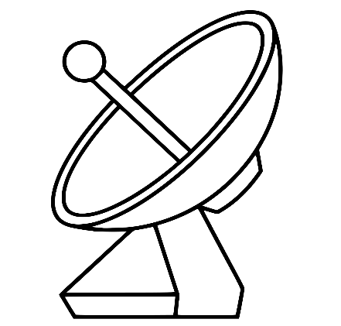
35 | Drilling Machine |  | 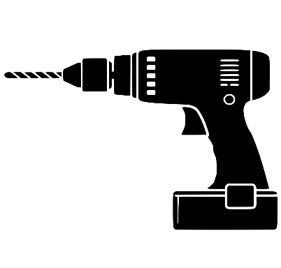
36 | Dustbin |  | 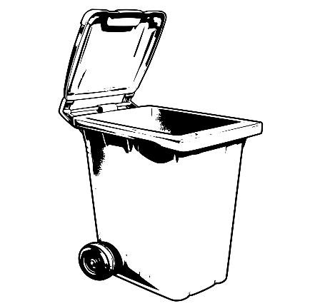
37 | Ears of Corn and Sickle | CPI | 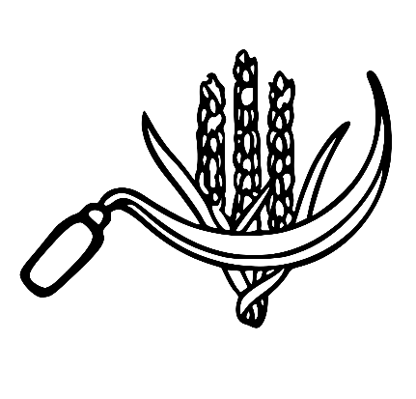
38 | Electric Pole | 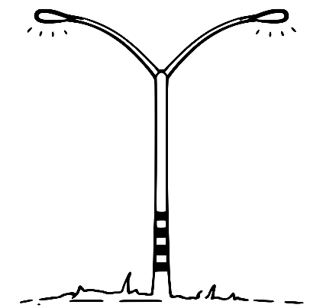
39 | Elephant | BSP | 
40 | Flag with three Stars |  | 
41 | Flute |  | 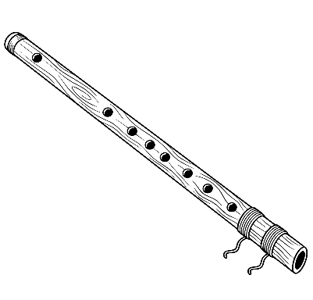
42 | Football player |  | 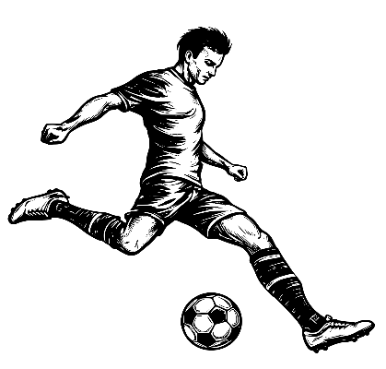
43 | Fountain |  | 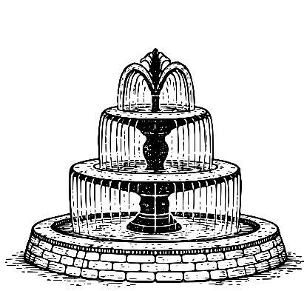
44 | Frock |  | 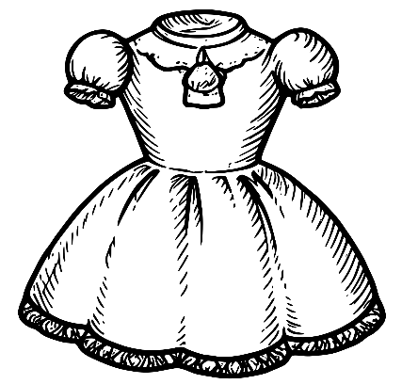
45 | Funnel |  | 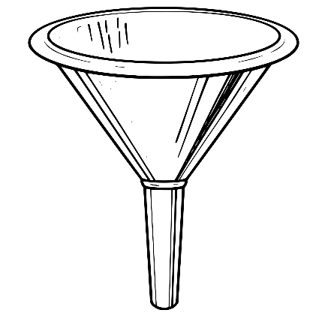
46 | Ganna Kisan | RPI (A) | 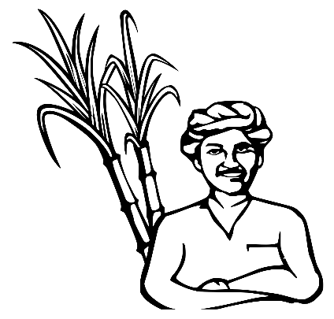
47 | Gas Cylinder |  | 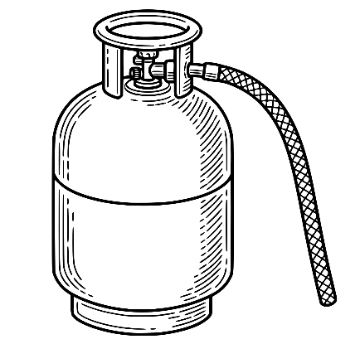
48 | Gas Stove |  | 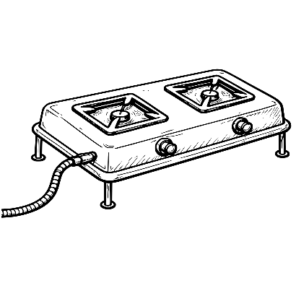
49 | Ginger |  | 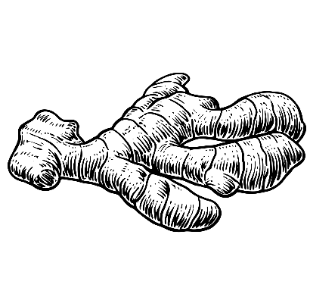
50 | Gramaphone |  | 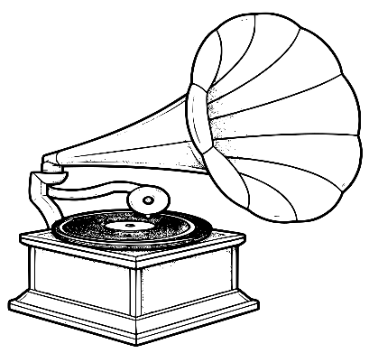
51 | Grapes |  | 
52 | Hammer, Sickle and Star | CPI(M) | 
53 | Hand | INC | 
54 | Hand cart |  | 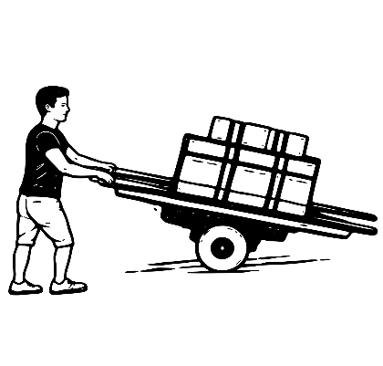
55 | Headphone |  | 
56 | Helmet |  | 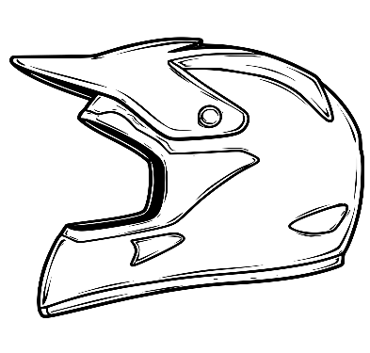
57 | Hurricane Lamp | RJD | 
58 | Ice cream |  | 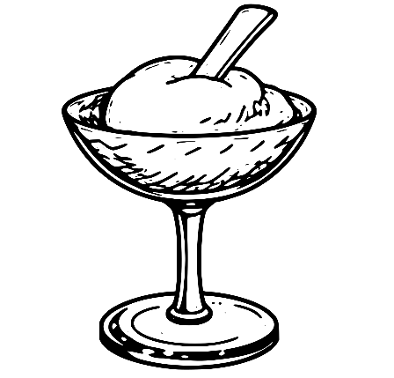
59 | Jackfruit |  | 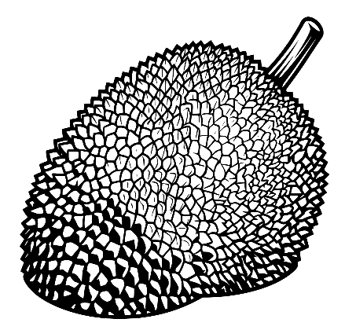
60 | Kettle |  | 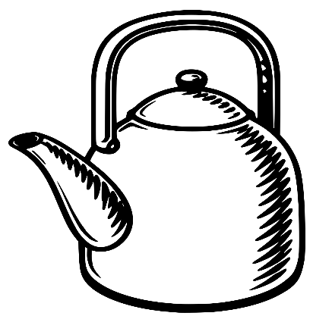
61 | Ladder | IUML | 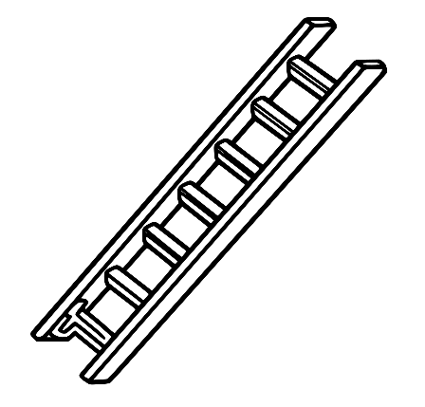
62 | Lady Finger |  | 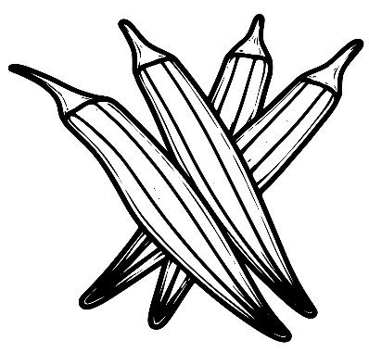
63 | Laptop |  | 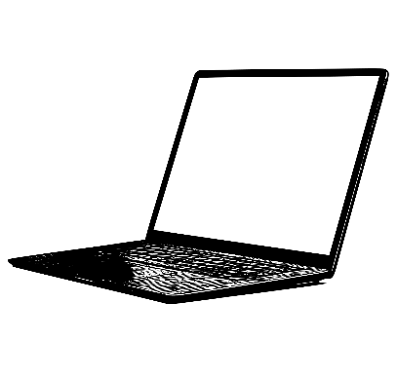
64 | Letter Box |  | 
65 | Lotus |  | 
66 | Man blowing Turha | NCP(SP) | 
67 | Matchbox |  | 
68 | Peas |  | 
69 | Pen nib with Seven Rays |  | 
70 | Pen Stand |  | 
71 | Pestle and Mortar |  | 
72 | Plate and Stand |  | 
73 | Pressure Cooker |  | 
74 | Razor |  | 
75 | Refrigerator |  | 
76 | Ring |  | 
77 | Road roller |  | 
78 | Robot |  | 
79 | Room cooler |  | 
80 | Scissors |  | 
81 | Ship |  | 
82 | Sitar |  | 
83 | Spade and Stoker | RSP | 
84 | Stumps |  | 
85 | Table |  | 
86 | Telephone |  | 
87 | Television |  | 
88 | Truck |  | 
89 | TV Remote |  | 
90 | Two leaves | Kerala Congress (M) | 
91 | Wall Hook |  | 
92 | Water melon |  | 
93 | Water Tank |  | 
94 | Whistle |  | 
95 | Window |  | 

Ex MLA
Number | Constituency | District | Member | Party | Alliance | Age | Picture | Total Voters | Valid Votes | Valid_Vote_Percentage | Member_Votes | Member_Perc | Margin
1 | Manjeshwaram | Kasaragod | A K M Ashraf | IUML | UDF | 43 |  | 224279 | 172426 | 76.88% | 65758 | 38.14% | 745
2 | Kasaragod | Kasaragod | N A Nellikkunnu | IUML | UDF | 67 |  | 203894 | 144500 | 70.87% | 63296 | 43.80% | 12901
3 | Udma | Kasaragod | C H Kunhambu | CPM | LDF | 61 |  | 218907 | 165341 | 75.53% | 78664 | 47.58% | 13322
4 | Kanhangad | Kasaragod | E Chandrashekaran | CPI | LDF | 72 |  | 223849 | 166835 | 74.53% | 84615 | 50.72% | 27139
5 | Thrikaripur | Kasaragod | M Rajagopalan | CPM | LDF | 60 |  | 208946 | 160408 | 76.77% | 86151 | 53.71% | 26137
6 | Payyanur | Kannur | T I Madhusoodanan | CPM | LDF | 61 |  | 189803 | 149945 | 79.00% | 93695 | 62.49% | 49780
7 | Kalliasseri | Kannur | M Vijin | CPM | LDF | 31 |  | 190531 | 145585 | 76.41% | 88252 | 60.62% | 44393
8 | Taliparamba | Kannur | M V Govindan Master | CPM | LDF | 69 |  | 220054 | 178112 | 80.94% | 92870 | 52.14% | 22689
9 | Irikkur | Kannur | Adv. Sajeev Joseph | INC | UDF | 48 |  | 201660 | 152516 | 75.63% | 76764 | 50.33% | 10010
10 | Azhikode | Kannur | K V Sumesh | CPM | LDF | 42 |  | 186027 | 144897 | 77.89% | 65794 | 45.41% | 6141
11 | Kannur | Kannur | Ramachandran Kadannappalli | C(S) | LDF | 76 |  | 178928 | 134089 | 74.94% | 60313 | 44.98% | 1745
12 | Dharmadom | Kannur | Pinarayi Vijayan | CPM | LDF | 77 |  | 199759 | 160247 | 80.22% | 95522 | 59.61% | 50123
13 | Thalassery | Kannur | Adv. A. N. Shamseer | CPM | LDF | 44 |  | 179860 | 132989 | 73.94% | 81810 | 61.52% | 36801
14 | Kuthuparamba | Kannur | K.P. Mohanan | LJD | LDF | 70 |  | 199243 | 155709 | 78.15% | 70626 | 45.36% | 9541
15 | Mattanur | Kannur | K K Shailaja Teacher | CPM | LDF | 64 |  | 195038 | 155134 | 79.54% | 96129 | 61.97% | 60963
16 | Peravoor | Kannur | Adv. Sunny Joseph | INC | UDF | 68 |  | 182064 | 142138 | 78.07% | 66706 | 46.93% | 3172
17 | Mananthavady | Wayanad | O.R.Kelu | CPM | LDF | 51 |  | 199661 | 152581 | 76.42% | 72536 | 47.54% | 9282
18 | Sulthan Bathery | Wayanad | I.C Balakrishnan | INC | UDF | 45 |  | 225345 | 167432 | 74.30% | 81077 | 48.42% | 11822
19 | Kalpetta | Wayanad | Adv.T Siddiqu | INC | UDF | 46 |  | 205078 | 152209 | 74.22% | 70252 | 46.15% | 5470
20 | Vatakara | Kozhikode | K.K.Rema | RMPOI | UDF | 50 |  | 172284 | 136673 | 79.33% | 65093 | 47.63% | 7491
21 | Kuttiady | Kozhikode | K P Kunhammed Kutti Master | CPM | LDF | 69 |  | 208830 | 169779 | 81.30% | 80143 | 47.20% | 333
22 | Nadapuram | Kozhikode | E. K. Vijayan | CPI | LDF | 68 |  | 222493 | 175503 | 78.88% | 83293 | 47.46% | 4035
23 | Koyilandy | Kozhikode |  |  |  |  |  | 208924 | 162084 | 77.58% | 75628 | 46.66% | 8472
24 | Perambra | Kozhikode | T.P. Ramakrishnan | CPM | LDF | 71 |  | 205055 | 163737 | 79.85% | 86023 | 52.54% | 22592
25 | Balussery | Kozhikode | Adv. K.M. Sachindev | CPM | LDF | 27 |  | 232024 | 181954 | 78.42% | 91839 | 50.47% | 20372
26 | Elathur | Kozhikode | A .K Saseendran | NCP | LDF | 75 |  | 210462 | 164350 | 78.09% | 83639 | 50.89% | 38502
27 | Kozhikode North | Kozhikode | Thottathil Ravindran | CPM | LDF | 73 |  | 186120 | 137562 | 73.91% | 59124 | 42.98% | 12928
28 | Kozhikode South | Kozhikode | Ahammad Devarkovil | INL | LDF | 61 |  | 160342 | 119054 | 74.25% | 52557 | 44.15% | 12459
29 | Beypore | Kozhikode | Adv. P. A Mohamed Riyas | CPM | LDF | 45 |  | 211672 | 165210 | 78.05% | 82165 | 49.73% | 28747
30 | Kunnamangalam | Kozhikode | Adv. P. T. A Rahim | LDF - IND | LDF | 72 |  | 237760 | 193822 | 81.52% | 85138 | 43.93% | 10276
31 | Koduvally | Kozhikode | Dr. M.K Muneer | IUML | UDF | 58 |  | 188824 | 151154 | 80.05% | 72336 | 47.86% | 6344
32 | Thiruvambady | Kozhikode | Linto Joseph | CPM | LDF | 28 |  | 185316 | 143009 | 77.17% | 67867 | 47.46% | 4643
33 | Kondotty | Malappuram | T V Ibrahim | IUML | UDF | 55 |  | 208729 | 164145 | 78.64% | 82759 | 50.42% | 17666
34 | Eranad | Malappuram | P.K. Basheer | IUML | UDF | 61 |  | 184438 | 143272 | 77.68% | 78076 | 54.49% | 22546
35 | Nilambur | Malappuram | Aryadan Shoukath | INC | UDF | 51 |  | 230325 | 173205 | 75.20% | 81227 | 46.90% | 2700
36 | Wandoor | Malappuram | A P Anilkumar | INC | UDF | 56 |  | 230696 | 169931 | 73.66% | 87415 | 51.44% | 15563
37 | Manjeri | Malappuram | Adv. U.A. Latheef | IUML | UDF | 71 |  | 211237 | 156992 | 74.32% | 78836 | 50.22% | 14573
38 | Perinthalmanna | Malappuram | Najeeb Kanthapuram | IUML | UDF | 45 |  | 221619 | 165616 | 74.73% | 76530 | 46.21% | 38
39 | Mankada | Malappuram | Manjalamkuzhi Ali | IUML | UDF | 68 |  | 223849 | 168268 | 75.17% | 83231 | 49.46% | 6246
40 | Malappuram | Malappuram | P. Ubaidulla | IUML | UDF | 61 |  | 216112 | 161825 | 74.88% | 93166 | 57.57% | 35208
41 | Vengara | Malappuram | P.K Kunjhalikutty | IUML | UDF | 69 |  | 188252 | 131551 | 69.88% | 70381 | 53.50% | 30596
42 | Vallikkunnu | Malappuram | Abdul Hameed Master | IUML | UDF | 73 |  | 203349 | 151414 | 74.46% | 71823 | 47.43% | 14116
43 | Tirurangadi | Malappuram | K P A Majeed | IUML | UDF | 71 |  | 199636 | 147771 | 74.02% | 73499 | 49.74% | 9578
44 | Tanur | Malappuram | V.Abdurahiman | NSC | LDF | 59 |  | 198995 | 152570 | 76.67% | 70704 | 46.34% | 985
45 | Tirur | Malappuram | Kurukkoli Moideen | IUML | UDF | 61 |  | 233063 | 170742 | 73.26% | 82314 | 48.21% | 7214
46 | Kottakkal | Malappuram | Prof. Abid Hussain Thangal | IUML | UDF | 60 |  | 221054 | 159933 | 72.35% | 81700 | 51.08% | 16588
47 | Thavanur | Malappuram | Dr.K.T.Jaleel | LDF - IND | LDF | 53 |  | 203529 | 151426 | 74.40% | 70358 | 46.46% | 2564
48 | Ponnani | Malappuram | P Nandakumar | CPM | LDF | 71 |  | 208849 | 145422 | 69.63% | 74668 | 51.35% | 17043
49 | Thrithala | Palakkad | M. B Rajesh | CPM | LDF | 50 |  | 197703 | 152311 | 77.04% | 69814 | 45.84% | 3016
50 | Pattambi | Palakkad | Muhammed Muhassin | CPI | LDF | 34 |  | 198625 | 151909 | 76.48% | 75311 | 49.58% | 17974
51 | Shornur | Palakkad | P. Mammikutty | CPM | LDF | 69 |  | 197903 | 151911 | 76.76% | 74400 | 48.98% | 36674
52 | Ottapalam | Palakkad | Adv. K. Premkumar | CPM | LDF | 42 |  | 212697 | 161161 | 75.77% | 74859 | 46.45% | 15152
53 | Kongad | Palakkad | Santhakumari K | CPM | LDF | 49 |  | 184284 | 138508 | 75.16% | 67881 | 49.01% | 27219
54 | Mannarkkad | Palakkad | Advocate. N. Samsudheen | IUML | UDF | 51 |  | 201593 | 152102 | 75.45% | 71657 | 47.11% | 5870
55 | Malampuzha | Palakkad | A. Prabhakaran | CPM | LDF | 69 |  | 218023 | 163605 | 75.04% | 75934 | 46.41% | 25734
56 | Palakkad | Palakkad | Rahul Mamkootathil | INC | UDF | 38 |  | 192474 | 142104 | 73.83% | 54079 | 38.06% | 3859
57 | Tarur | Palakkad | P.P.Sumod | CPM | LDF | 37 |  | 173052 | 131347 | 75.90% | 67744 | 51.58% | 24531
58 | Chittur | Palakkad | K. Krishnankutty | JD(S) | LDF | 76 |  | 193183 | 152905 | 79.15% | 84672 | 55.38% | 33878
59 | Nenmara | Palakkad | K. Babu | CPM | LDF | 57 |  | 197234 | 151535 | 76.83% | 80145 | 52.89% | 28704
60 | Alathur | Palakkad | K.D.Prasenan | CPM | LDF | 55 |  | 174530 | 135366 | 77.56% | 74653 | 55.15% | 34118
61 | Chelakkara | Thrissur | U. R. Pradeep | CPM | LDF | 57 |  | 201703 | 153315 | 76.01% | 83415 | 54.41% | 39400
62 | Kunnamkulam | Thrissur | A.C.Moideen | CPM | LDF | 64 |  | 202578 | 154831 | 76.43% | 75532 | 48.78% | 26631
63 | Guruvayur | Thrissur | N.K.Akbar | CPM | LDF | 51 |  | 214371 | 146759 | 68.46% | 77072 | 52.52% | 18268
64 | Manalur | Thrissur | Murali | CPM | LDF | 70 |  | 228827 | 167502 | 73.20% | 78337 | 46.77% | 29876
65 | Wadakkanchery | Thrissur | Xavier Chittilappilly | CPM | LDF | 49 |  | 223031 | 169861 | 76.16% | 81026 | 47.70% | 15168
66 | Ollur | Thrissur | K Rajan | CPI | LDF | 47 |  | 211413 | 156171 | 73.87% | 76657 | 49.09% | 21506
67 | Thrissur | Thrissur | P Balachandran | CPI | LDF | 57 |  | 187680 | 129237 | 68.86% | 44263 | 34.25% | 946
68 | Nattika | Thrissur | C C Mukundhan | CPI | LDF | 62 |  | 215272 | 153554 | 71.33% | 72930 | 47.49% | 28431
69 | Kaipamangalam | Thrissur | E T Taison Master | CPI | LDF | 56 |  | 177445 | 136083 | 76.69% | 73161 | 53.76% | 22698
70 | Irinjalakuda | Thrissur | R Bindu | CPM | LDF | 53 |  | 207458 | 155179 | 74.80% | 62493 | 40.27% | 5949
71 | Puthukkad | Thrissur | K.K. Ramachandran | CPM | LDF | 53 |  | 206778 | 156283 | 75.58% | 73365 | 46.94% | 27353
72 | Chalakudy | Thrissur | Saneeshkumar Joseph | INC | UDF | 42 |  | 197100 | 143154 | 72.63% | 61888 | 43.23% | 1057
73 | Kodungallur | Thrissur | Adv. V. R. Sunilkumar | CPI | LDF | 52 |  | 198536 | 148902 | 75.00% | 71457 | 47.99% | 23893
74 | Perumbavoor | Ernakulam | Adv Eldose P Kunnapillil | INC | UDF | 42 |  | 188878 | 144171 | 76.33% | 53484 | 37.10% | 2899
75 | Angamaly | Ernakulam | Roji M John | INC | UDF | 38 |  | 181312 | 137997 | 76.11% | 71562 | 51.86% | 15929
76 | Aluva | Ernakulam | Anwar Sadath | INC | UDF | 46 |  | 199692 | 150428 | 75.33% | 73703 | 49.00% | 18886
77 | Kalamassery | Ernakulam | P. Rajeeve | CPM | LDF | 53 |  | 205136 | 155863 | 75.98% | 77141 | 49.49% | 15336
78 | Paravur | Ernakulam | V.D. Satheesan | INC | UDF | 56 |  | 205565 | 158594 | 77.15% | 82264 | 51.87% | 21301
79 | Vypin | Ernakulam | K.N. Unnikrishnan | CPM | LDF | 60 |  | 174780 | 130596 | 74.72% | 53858 | 41.24% | 8201
80 | Kochi | Ernakulam | K.J. Maxy | CPM | LDF | 58 |  | 184282 | 128703 | 69.84% | 54632 | 42.45% | 14079
81 | Thrippunithura | Ernakulam | K. Babu | INC | UDF | 57 |  | 213301 | 156307 | 73.28% | 65875 | 42.14% | 992
82 | Ernakulam | Ernakulam | T. J. Vinod | INC | UDF | 57 |  | 167068 | 110098 | 65.90% | 45930 | 41.72% | 10970
83 | Thrikkakara | Ernakulam | Uma Thomas | INC | UDF | 57 |  | 197127 | 136570 | 69.28% | 59839 | 43.82% | 14329
84 | Kunnathunad | Ernakulam | Adv. P.V.Sreenijin | CPM | LDF | 45 |  | 191287 | 154924 | 80.99% | 52351 | 33.79% | 2715
85 | Piravom | Ernakulam | Anoop Jacob | KEC(J) | UDF | 43 |  | 218155 | 158097 | 72.47% | 85056 | 53.80% | 25364
86 | Muvattupuzha | Ernakulam | Dr. Mathew Kuzhalnadan | INC | UDF | 43 |  | 196213 | 144354 | 73.57% | 64425 | 44.63% | 6161
87 | Kothamangalam | Ernakulam | Antony John | CPM | LDF | 38 |  | 177782 | 136697 | 76.89% | 64234 | 46.99% | 6605
88 | Devikulam | Idukki | Adv. A. Raja | CPM | LDF | 35 |  | 171822 | 115774 | 67.38% | 59049 | 51.00% | 7848
89 | Udumbanchola | Idukki | M. M. Mani | CPM | LDF | 76 |  | 170760 | 125219 | 73.33% | 77381 | 61.80% | 38305
90 | Thodupuzha | Idukki | P J Joseph | KEC | UDF | 79 |  | 197815 | 138807 | 70.17% | 67495 | 48.63% | 20259
91 | Idukki | Idukki | Roshy Augustine | KEC(M) | LDF | 52 |  | 190446 | 131351 | 68.97% | 62368 | 47.48% | 5573
92 | Peerumade | Idukki | Vazhoor Soman | CPI | LDF | 68 |  | 176254 | 127291 | 72.22% | 60141 | 47.25% | 1835
93 | Pala | Kottayam | Mani C Kappen | UDF - IND | UDF | 64 |  | 190781 | 138431 | 72.56% | 69804 | 50.43% | 15378
94 | Kaduthuruthy | Kottayam | Adv. Mons Joseph | KEC | UDF | 56 |  | 193109 | 131411 | 68.05% | 59666 | 45.40% | 4256
95 | Vaikom | Kottayam | C.K Asha | CPI | LDF | 44 |  | 168729 | 127576 | 75.61% | 71388 | 55.96% | 29122
96 | Ettumanoor | Kottayam | V N Vasavan | CPM | LDF | 66 |  | 172855 | 126167 | 72.99% | 58289 | 46.20% | 14303
97 | Kottayam | Kottayam | Thiruvanchoor Radhakrishnan | INC | UDF | 71 |  | 167752 | 121738 | 72.57% | 65401 | 53.72% | 18743
98 | Puthuppally | Kottayam | Chandy Oommen | INC | UDF | 38 |  | 180001 | 131797 | 73.22% | 63372 | 48.08% | 9044
99 | Changanassery | Kottayam | Adv. Job Maichil | KEC(M) | LDF | 55 |  | 175796 | 123585 | 70.30% | 55425 | 44.85% | 6059
100 | Kanjirappally | Kottayam | Dr.N.Jayaraj | KEC(M) | LDF | 65 |  | 190909 | 137703 | 72.13% | 60299 | 43.79% | 13703
101 | Poonjar | Kottayam | Adv. Sebastian Kulathunkal | KEC(M) | LDF | 55 |  | 193037 | 139894 | 72.47% | 58668 | 41.94% | 16817
102 | Aroor | Alappuzha | Daleema | CPM | LDF | 55 |  | 204539 | 164491 | 80.42% | 75617 | 45.97% | 7013
103 | Cherthala | Alappuzha | P Prasad | CPI | LDF | 51 |  | 220580 | 178097 | 80.74% | 83702 | 47.00% | 6148
104 | Alappuzha | Alappuzha | P.P Chitharanjan | CPM | LDF | 58 |  | 207607 | 158446 | 76.32% | 73412 | 46.33% | 11644
105 | Ambalappuzha | Alappuzha | H.Salam | CPM | LDF | 48 |  | 183232 | 137021 | 74.78% | 61365 | 44.79% | 11125
106 | Kuttanad | Alappuzha | Thomas K Thomas | NCP | LDF | 63 |  | 173890 | 125636 | 72.25% | 57379 | 45.67% | 5516
107 | Haripad | Alappuzha | Ramesh Chennithala | INC | UDF | 64 |  | 202804 | 150623 | 74.27% | 72768 | 48.31% | 13666
108 | Kayamkulam | Alappuzha | Adv. U. Prathibha | CPM | LDF | 43 |  | 219815 | 161257 | 73.36% | 77348 | 47.97% | 6298
109 | Mavelikara | Alappuzha | M S Arun Kumar | CPM | LDF | 31 |  | 211702 | 150690 | 71.18% | 71743 | 47.61% | 24717
110 | Chengannur | Alappuzha | Saji Cherian | CPM | LDF | 55 |  | 212951 | 147171 | 69.11% | 71502 | 48.58% | 32093
111 | Thiruvalla | Pathanamthitta | Adv. Mathew T Thomas | JD(S) | LDF | 59 |  | 220309 | 139544 | 63.34% | 62178 | 44.56% | 11421
112 | Ranni | Pathanamthitta | Adv. Pramod Narayan | KEC(M) | LDF | 44 |  | 200183 | 127777 | 63.83% | 52669 | 41.22% | 1285
113 | Aranmula | Pathanamthitta | Veena George | CPM | LDF | 44 |  | 247274 | 161866 | 65.46% | 74950 | 46.30% | 19003
114 | Konni | Pathanamthitta | Adv. K.U Jenish Kumar | CPM | LDF | 37 |  | 209635 | 149722 | 71.42% | 62318 | 41.62% | 8508
115 | Adoor | Pathanamthitta | Chittayam Gopakumar | CPI | LDF | 55 |  | 215698 | 155411 | 72.05% | 66569 | 42.83% | 2919
116 | Karunagappally | Kollam | C. R Mahesh | INC | UDF | 42 |  | 220015 | 173284 | 78.76% | 94225 | 54.38% | 29208
117 | Chavara | Kollam | Dr.Sujith Vijayanpillai | LDF - IND | LDF | 43 |  | 187506 | 142880 | 76.20% | 63282 | 44.29% | 1096
118 | Kunnathur | Kollam | Kovoor Kunjumon | LDF - IND | LDF | 53 |  | 213591 | 160984 | 75.37% | 69436 | 43.13% | 2790
119 | Kottarakkara | Kollam | K N Balagopal | CPM | LDF | 57 |  | 206763 | 149552 | 72.33% | 68770 | 45.98% | 10814
120 | Pathanapuram | Kollam | K.B. Ganesh Kumar | KEC(B) | LDF | 54 |  | 189826 | 137036 | 72.19% | 67276 | 49.09% | 14336
121 | Punalur | Kollam | P S Supal | CPI | LDF | 51 |  | 210857 | 146251 | 69.36% | 80428 | 54.99% | 37057
122 | Chadayamangalam | Kollam | J.Chinchurani | CPI | LDF | 58 |  | 207818 | 147177 | 70.82% | 67252 | 45.69% | 13678
123 | Kundara | Kollam | P.C.Vishnunadh | INC | UDF | 43 |  | 211524 | 156401 | 73.94% | 76405 | 48.85% | 4523
124 | Kollam | Kollam | M Mukesh | CPM | LDF | 64 |  | 180880 | 130451 | 72.12% | 58524 | 44.86% | 2072
125 | Eravipuram | Kollam | M. Noushad | CPM | LDF | 56 |  | 179998 | 127241 | 70.69% | 71573 | 56.25% | 28121
126 | Chathannoor | Kollam | G.S. Jayalal | CPI | LDF | 48 |  | 189737 | 137503 | 72.47% | 59296 | 43.12% | 17206
127 | Varkala | Thiruvananthapuram | Adv. V Joy | CPM | LDF | 55 |  | 192551 | 135229 | 70.23% | 68816 | 50.89% | 17821
128 | Attingal | Thiruvananthapuram | O S Ambika | CPM | LDF | 54 |  | 209279 | 147626 | 70.54% | 69898 | 47.35% | 31636
129 | Chirayinkeezhu | Thiruvananthapuram | V. Sasi | CPI | LDF | 70 |  | 204857 | 145080 | 70.82% | 62634 | 43.17% | 14017
130 | Nedumangad | Thiruvananthapuram | Adv. G. R. Anil | CPI | LDF | 58 |  | 213600 | 153002 | 71.63% | 72742 | 47.54% | 23309
131 | Vamanapuram | Thiruvananthapuram | Adv. D. K. Murali | CPM | LDF | 59 |  | 206635 | 146525 | 70.91% | 73137 | 49.91% | 10242
132 | Kazhakkoottam | Thiruvananthapuram | Kadakampally Surendran | CPM | LDF | 68 |  | 198714 | 138325 | 69.61% | 63690 | 46.04% | 23497
133 | Vattiyoorkavu | Thiruvananthapuram | Adv.V.K.Prasanth | CPM | LDF | 39 |  | 214553 | 137636 | 64.15% | 61111 | 44.40% | 21515
134 | Thiruvananthapuram | Thiruvananthapuram |  |  |  |  |  | 207333 | 128236 | 61.85% | 48748 | 38.01% | 7089
135 | Nemom | Thiruvananthapuram | V.Sivankutty | CPM | LDF | 66 |  | 209163 | 146017 | 69.81% | 55837 | 38.24% | 3949
136 | Aruvikkara | Thiruvananthapuram | Adv. G. Steephen | CPM | LDF | 51 |  | 198837 | 145708 | 73.28% | 66776 | 45.83% | 5046
137 | Parassala | Thiruvananthapuram | C.K.Hareendran | CPM | LDF | 64 |  | 225169 | 163090 | 72.43% | 78548 | 48.16% | 25828
138 | Kattakkada | Thiruvananthapuram | Adv I B Satheesh | CPM | LDF | 50 |  | 201632 | 145619 | 72.22% | 66293 | 45.52% | 23231
139 | Kovalam | Thiruvananthapuram | Adv. M. Vincent | INC | UDF | 53 |  | 224274 | 159100 | 70.94% | 74868 | 47.06% | 11562
140 | Neyyattinkara | Thiruvananthapuram | K. Ansalan | CPM | LDF | 55 |  | 193030 | 139291 | 72.16% | 65497 | 47.02% | 14262

